Product Mix & Flow
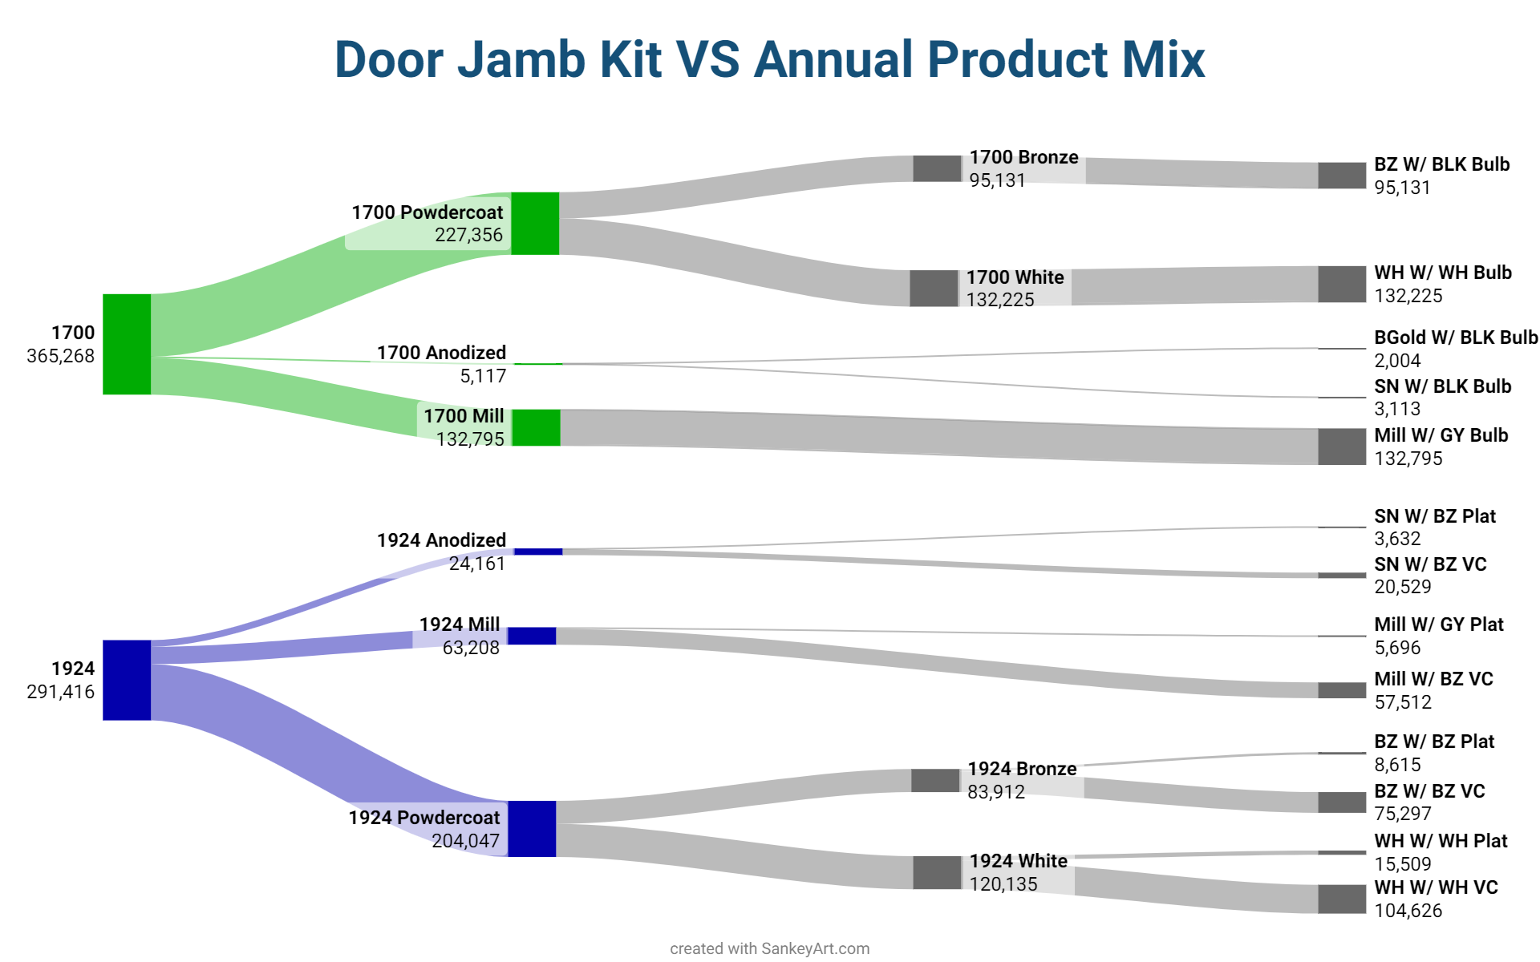

91850 Example
 |  |  | Annual Forecast
Item | Alternate | Item Description | Jan-23 | Feb-23 | Mar-23 | Apr-23 | May-23 | Jun-23 | Jul-23 | Aug-23 | Sep-23 | Oct-23 | Nov-23 | Dec-23 | Total

91850 |  | VINYL CLAD ALUM STOP 36"X84" WHT W/SCREWS D#1924 | 9,529 | 6,849 | 5,681 | 6,249 | 5,484 | 5,817 | 9,066 | 8,562 | 6,354 | 10,800 | 8,826 | 7,009 | 90,226
 |  | AVG Monthly | 7,519 | 7,519 | 7,519 | 7,519 | 7,519 | 7,519 | 7,519 | 7,519 | 7,519 | 7,519 | 7,519 | 7,519 | 90,226
 |  | Difference | -2,010 | 670 | 1,838 | 1,270 | 2,035 | 1,702 | -1,547 | -1,043 | 1,165 | -3,281 | -1,307 | 510 | 0
 |  | Safety Stock (King's Law) | 1800 | 1800 | 1800 | 1800 | 1800 | 1800 | 1800 | 1800 | 1800 | 1800 | 1800 | 1800
 |  | Level Load | 0 | 0 | 0 | 0 | 0 | 1,547 | 1,043 | 0 | 3,281 | 1,307 | 0 | 2,010 | 99,415
 |  | Inventory After | -2,010 | -1,340 | 497 | 1,767 | 3,802 | 5,504 | 3,957 | 2,914 | 4,078 | 797 | -510 | 0
 |  | Starting | 0 | 670 | 2,508 | 3,778 | 5,812 | 7,514 | 5,967 | 4,924 | 6,089 | 2,807 | 1,500 | 2,010
 |  | Inventory Target | 1,800 | 3,000 | 4,800 | 6,000 | 7,800 | 9,600 | 7,800 | 7,200 | 8,400 | 4,800 | 3,600 | 4,200 | 5,750

Inventory vs Production vs Plan

Inventory Levels Needed
Die | Item | Month |  |  |  |  |  |  |  |  |  |  |  | AVG Monthly Inv.
 |  | January | Feb | Mar | April | May | June | July | Aug | Sept | Oct | Nov | Dec
1924 | 43345 | 3000 | 3000 | 4200 | 4800 | 5400 | 7200 | 6600 | 6600 | 7800 | 7800 | 5400 | 3600 | 5450 |  | Daily | Weekly | Monthly | Yearly | Pcs
 | 52046 | 600 | 1200 | 1200 | 1800 | 2400 | 3000 | 3600 | 3600 | 3600 | 1200 | 1800 | 1200 | 2100 | 1700 | 3.25 | 13 | 54.21 | 650.52 | 351280.8
 | 52047 | 600 | 1200 | 1200 | 1800 | 2400 | 3000 | 3600 | 3600 | 3600 | 1200 | 1800 | 1200 | 2100 | 1924 | 4.5 | 18 | 75.06 | 900.72 | 270216
 | 52048 | 600 | 1200 | 1200 | 1800 | 2400 | 3000 | 3600 | 3600 | 3600 | 1200 | 1800 | 1200 | 2100 |  |  |  |  |  | 621496.8
 | 52049 | 600 | 1200 | 1200 | 1800 | 2400 | 3000 | 3600 | 3600 | 3600 | 1200 | 1800 | 1200 | 2100
 | 52051 | 600 | 600 | 1800 | 1800 | 2400 | 3600 | 3600 | 3600 | 4200 | 4200 | 3000 | 2400 | 2650
 | 87783 | 3000 | 2400 | 3000 | 4800 | 6600 | 8400 | 9600 | 3600 | 4800 | 3600 | 4200 | 4800 | 4900
 | 91850 | 1800 | 3000 | 4800 | 6000 | 7800 | 9600 | 7800 | 7200 | 8400 | 4800 | 3600 | 4200 | 5750
1700 | 01040 | 600 | 1200 | 1200 | 1800 | 2400 | 3000 | 3600 | 3600 | 3600 | 1200 | 1800 | 1200 | 2100
 | 01073 | 5400 | 1800 | 4800 | 4800 | 6600 | 8400 | 8400 | 6600 | 10800 | 11400 | 10200 | 9000 | 7350
 | 01156 | 2400 | 3600 | 4800 | 4200 | 5400 | 6000 | 4800 | 4800 | 6600 | 6600 | 5400 | 3600 | 4850
 | 01271 | 600 | 1200 | 1200 | 1800 | 2400 | 3000 | 3600 | 3600 | 3600 | 1200 | 1800 | 1200 | 2100
 | 01958 | 1800 | 4200 | 5400 | 6000 | 7200 | 7800 | 7800 | 6000 | 9000 | 7800 | 6000 | 3600 | 6050
 | 52042 | 600 | 1200 | 1200 | 1800 | 2400 | 3000 | 3600 | 3600 | 3600 | 1200 | 1800 | 1200 | 2100
 | 52043 | 600 | 1200 | 1200 | 1800 | 2400 | 3000 | 3600 | 3600 | 3600 | 1200 | 1800 | 1200 | 2100
 | 52044 | 1200 | 1200 | 1800 | 2400 | 2400 | 3000 | 3000 | 3600 | 3600 | 2400 | 1800 | 1800 | 2350
 | 52045 | 600 | 1200 | 1200 | 1800 | 2400 | 3000 | 3600 | 3600 | 3600 | 1200 | 1800 | 1200 | 2100
Total OnHand Inventory |  | 24600 | 30600 | 41400 | 51000 | 65400 | 81000 | 84000 | 74400 | 87600 | 59400 | 55800 | 43800 | 58250
Total Inventories

